Sheet1
Title: Search for blood donor on blood donation website 'DonateBloodSaveLife'

Sr.no | Test Case ID | Test Objective | Screenshot | Expected Result
1 | TC_01 | Visiting DonateBloodSaveLife | 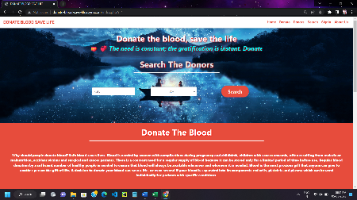 | Index page of DonateBloodSaveLife
 |  | website by clicking on |  | website should appear
 |  | donate-blood-save-life.ezyro.com
2 | TC_02 | Enter the city name | 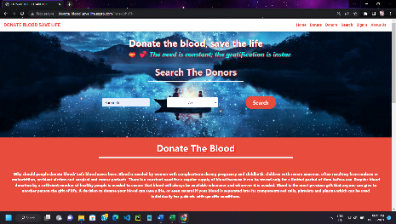 | City name should be shown and
 |  | around where you |  | selected in dropdown menu
 |  | want to search for donor
3 | TC_03 | Select the blood group from | 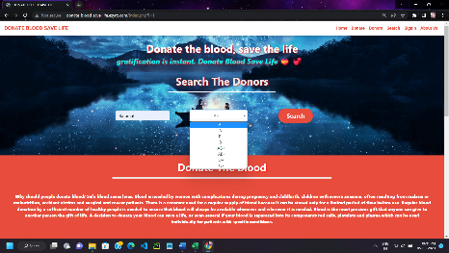 | Blood group should be shown and
 |  | dropdown menu to see donors |  | selected in dropdown menu
 |  | of matching blood group
4 | TC_04 | Click on 'Search' button to see | 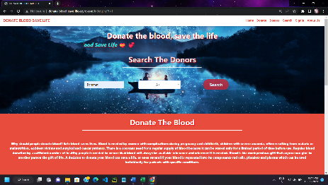 | Search page will be loaded containing
 |  | available donors with either |  | result of available donor with either
 |  | matching city name or blood group |  | matching city name or blood group
5 | TC_05 | If matching donor found who has | 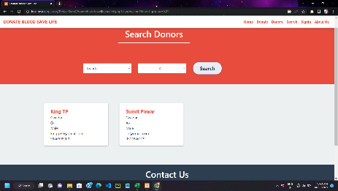 | Donor's contact information will be
 |  | not donated blood in span of |  | shown. (i.e. Phone no & Email id)
 |  | three months
6 | TC_06 | If matching donor found who has | 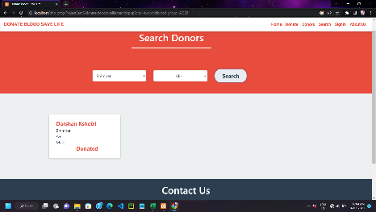 | Donor's contact information will not
 |  | donated blood in span of |  | be shown. (i.e. Phone no & Email id)
 |  | three months |  | instead text 'DONATED' will be shown
7 | TC_07 | If no matching donor found | 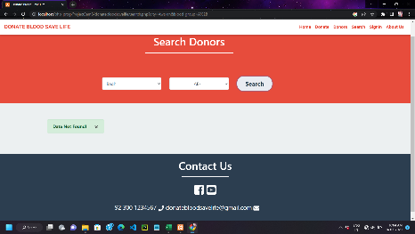 | Text 'Data Not Found' will be shown
 |  | i.e donor with neither same city
 |  | nor same blood group

Sheet2
Title : Test Functionality of Log In of Student

Sr.no | Test Case ID | Test Objective | Screenshot | Expected Result
1 | TC_01 | Keep both email and | 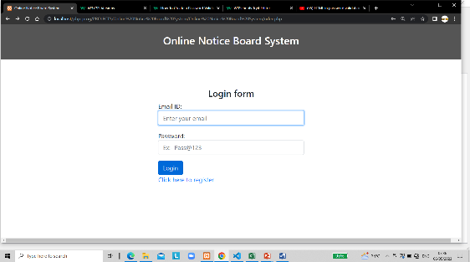 | Alert box containing
 |  | password field empty and |  | Please fill Email and Password
 |  | click on SignIn button |  | Field will pop up
2 | TC_02 | Enter email in the Email field | 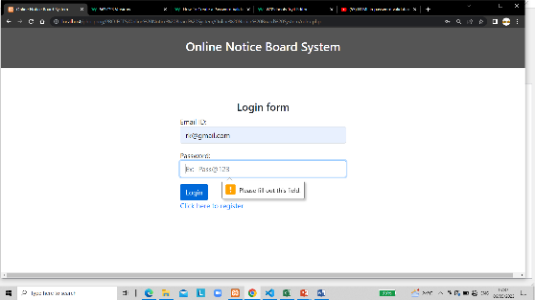
 |  | Keep password field empty |  | Enter Password

3 | TC_03 |  | 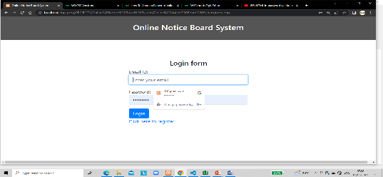
 |  | Keep email field empty and fill the |  | Enter Email id
 |  | password

